Sheet1
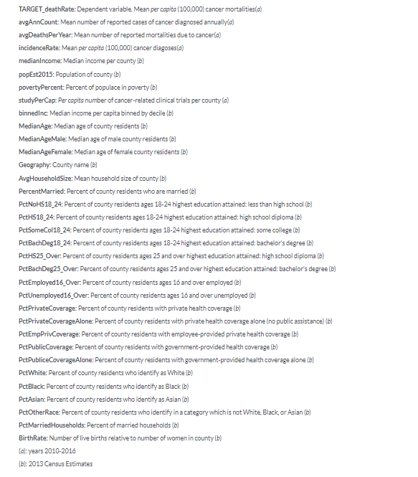

N
N

N
N
N

N
N
N

